Overview
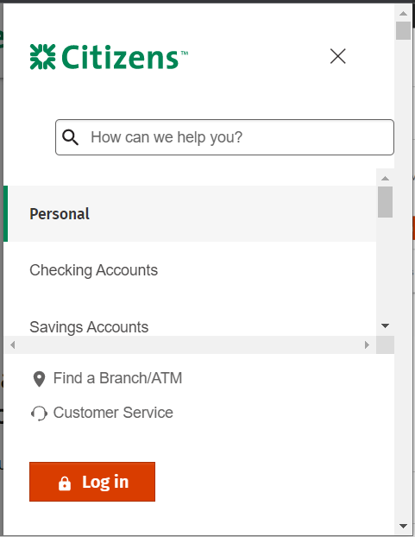
Accessibility Checklist
Component Tested | Citizens Header with Navigation | Mobile
Screenshot
Date | 2023-05-08
Tester | Rachele DiTullo and Wesley Estes
WCAG Violations: | 10
WCAG Version | WCAG 2.1 Level AA
 | WCAG Checklist
 | Accessibility Support
Environment | Windows: Chrome and NVDA screen reader
Tools | ANDI
 | Accessibility bookmarklets
 | A11y Tools
 | Color Contrast Checker
 | W3C Validator
 | WCAG only parsing
 | Trigger character key shortcuts
 | Text spacing bookmarklet
 | Window resizer extension

Component
WCAG Success Criterion | Level | WCAG Criterion Description | Status | Issues | Recommendations | Screenshot | Source Code | Notes
1.1.1: Non-text Content | A | All non-text content that is presented to the user has a text alternative that serves the equivalent purpose. Decoration, Formatting, Invisible: If non-text content is pure decoration, is used only for visual formatting, or is not presented to users, then it is implemented in a way that it can be ignored by assistive technology. | Fail | The search control image includes the word "button" as part of the accessible name. Users of assistive technology will hear "search button, link". The search control icon is also missing the expected role. | Remove the word "Button" from the aria-label attribute on the search control. Add the role="img" attribute to the <svg> element. Expected screen reader output is "search, graphic, link". |  | <a class="dcom-nav-desktop-search cbensightenevent" href="#" data-cbdata-type="link" data-cbdata-reason="dcom-c-navigation-bar"> <svg aria-label="Search Button" xmlns="http://www.w3.org/2000/svg" viewBox="0 0 24 24" class="ANDI508-element ANDI508-highlight ANDI508-element-active" data-andi508-index="4">... </svg> </a>
1.2.1: Audio-only and Video-only (Prerecorded) | A | For prerecorded audio-only and prerecorded video-only media, the following are true, except when the audio or video is a media alternative for text and is clearly labeled as such: Prerecorded Audio-only: An alternative for time-based media is provided that presents equivalent information for prerecorded audio-only content. Prerecorded Video-only: Either an alternative for time-based media or an audio track is provided that presents equivalent information for prerecorded video-only content. | N/A
1.2.2: Captions (Prerecorded) | A | Captions are provided for all prerecorded audio content in synchronized media, except when the media is a media alternative for text and is clearly labeled as such. | N/A
1.2.3: Audio Description or Media Alternative (Prerecorded) | A | An alternative for time-based media or audio description of the prerecorded video content is provided for synchronized media, except when the media is a media alternative for text and is clearly labeled as such. | N/A
1.2.4: Captions (Live) | AA | Captions are provided for all live audio content in synchronized media. | N/A
1.2.5: Audio Description (Prerecorded) | AA | Audio description is provided for all prerecorded video content in synchronized media. | N/A
1.3.1: Info and Relationships | A | Information, structure, and relationships conveyed through presentation can be programmatically determined or are available in text, e.g. headings, landmarks, lists, tables, footnotes etc. | Fail | 1) The global navigation submenus present lists of links but the links are not marked up as lists in the HTML. 2) In the mobile menu, list items are not nested according to their specification. | 1) Markup the submenu link lists using <ul> and <li> elements to convey the number of list items to assistive technology. 2) Ensure that unordered lists have <li> elements as children. These <li> elements should contain the menu link <a> elements. | 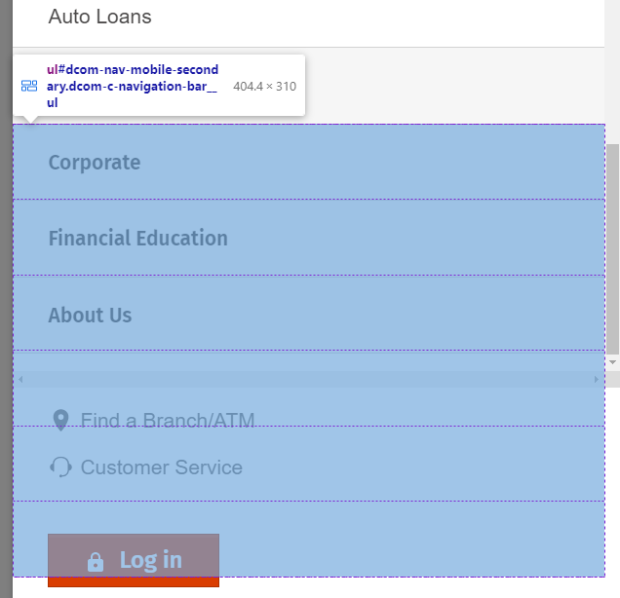 | 2) <ul id="dcom-nav-mobile-secondary" class="dcom-c-navigation-bar__ul"> <a tabindex="0" navlevel="secondary" class="dcom-c-navigation-bar__link dcom-c-navigation-bar__secondary-link cbensightenevent" title="Checking Accounts Navigation" href="#" data-cbdata-type="link" data-cbdata-reason="dcom-c-navigation-bar--checking-accounts-navigation"> <li navlevel="secondary" class="dcom-c-li dcom-c-navigation-bar__li"> <span>Checking Accounts</span> </li> </a> ... </ul>
1.3.2: Meaningful Sequence | A | When the sequence in which content is presented affects its meaning, a correct reading sequence can be programmatically determined. | Pass
1.3.3: Sensory Characteristics | A | Instructions provided for understanding and operating content do not rely solely on sensory characteristics of components such as shape, color, size, visual location, orientation, or sound. | N/A
1.3.4: Orientation | AA | Content does not restrict its view and operation to a single display orientation, such as portrait or landscape, unless a specific display orientation is essential. | Pass
1.3.5: Identify Input Purpose | AA | The purpose of each input field collecting information about the user can be programmatically determined, e.g. autocomplete. | N/A
1.4.1: Use of Color | A | Color is not used as the only visual means of conveying information, indicating an action, prompting a response, or distinguishing a visual element. | N/A
1.4.2: Audio Control | A | If any audio on a Web page plays automatically for more than 3 seconds, either a mechanism is available to pause or stop the audio, or a mechanism is available to control audio volume independently from the overall system volume level. | N/A
1.4.3: Contrast (Minimum) | AA | The visual presentation of regular text (14pt or 18.5px and below) and images of text has a contrast ratio of at least 4.5:1. Large-scale text and images of large-scale text (14pt bold, 18pt or 24px and above) have a contrast ratio of at least 3:1. | Pass
1.4.4: Resize text | AA | Except for captions and images of text, text can be resized without assistive technology up to 200% without loss of content or functionality at 1024px x768px. Look for <meta name="viewport" content="user-scalable=no"> which prevents mobile zooming. | Fail | A meta tag is preventing zooming on mobile devices. | Remove the maximum-scale=1.0 from the viewport meta tag. |  | <meta name="viewport" content="width=device-width, initial-scale=1.0, maximum-scale=1.0">
1.4.5: Images of Text | AA | If the technologies being used can achieve the visual presentation, text is used to convey information rather than images of text (except for logos). | Pass
1.4.10: Reflow | AA | Content can be presented without loss of information or functionality, and without requiring scrolling in two dimensions at a viewport of 320px x 256px. | Fail | The mobile navigation is mostly obscured at a viewport size of 320x256px. One link at a time is visible through a narrow, scrolling panel. | Ensure the mobile navigation is visible and accessible at 320x256 px. | 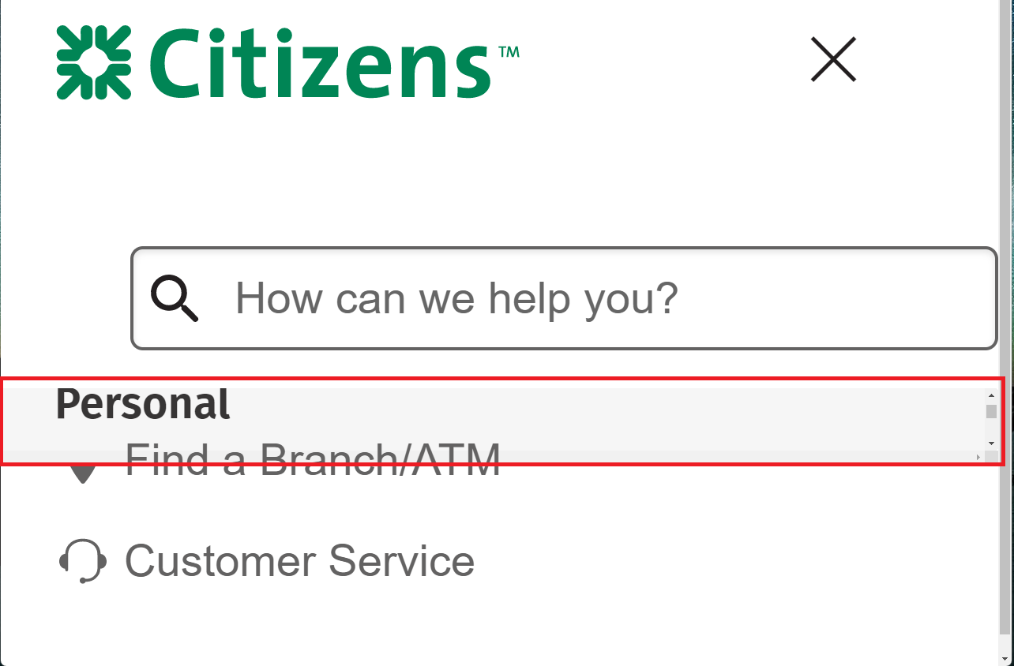 | <div class="dcom-c-navigation-bar__mobile"> <nav id="primary_nav" aria-label="Primary Navigation" class="dcom-c-navigation-bar__nav dcom-c-navigation-bar__mobile-primary">...</nav>...</div>
1.4.11: Non-text Contrast | AA | The visual presentation of the following have a contrast ratio of at least 3:1 against adjacent color(s): User Interface Components: Visual information required to identify user interface components and states, except for inactive components or where the appearance of the component is determined by the user agent and not modified by the author; Graphical Objects: Parts of graphics required to understand the content, except when a particular presentation of graphics is essential to the information being conveyed. | Pass
1.4.12: Text Spacing | AA | In content implemented using markup languages that support the following text style properties, no loss of content or functionality occurs by setting all of the following and by changing no other style property: Line height (line spacing) to at least 1.5 times the font size; Spacing following paragraphs to at least 2 times the font size; Letter spacing (tracking) to at least 0.12 times the font size; Word spacing to at least 0.16 times the font size. | Fail | In both the desktop and mobile navigation, navigation items are cutoff with text spacing rules applied. | Ensure all navigation links are visible and actionable with text spacing rules applied. Be cautious of using fixed sized containers with text. | 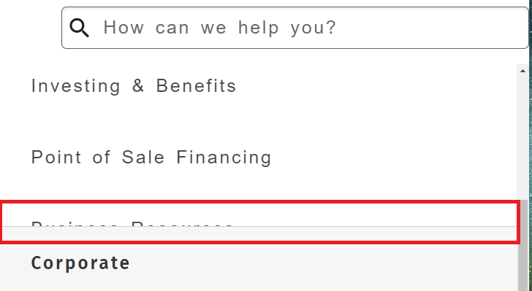
1.4.13: Content on Hover or Focus | AA | Where receiving and then removing pointer hover or keyboard focus triggers additional content to become visible and then hidden, the following are true: Dismissible: A mechanism is available to dismiss the additional content without moving pointer hover or keyboard focus, unless the additional content communicates an input error or does not obscure or replace other content; Hoverable: If pointer hover can trigger the additional content, then the pointer can be moved over the additional content without the additional content disappearing; Persistent: The additional content remains visible until the hover or focus trigger is removed, the user dismisses it, or its information is no longer valid. | N/A
2.1.1: Keyboard | A | All functionality of the content is operable through a keyboard interface without requiring specific timings for individual keystrokes, except where the underlying function requires input that depends on the path of the user's movement and not just the endpoints. | Pass
2.1.2: No Keyboard Trap | A | If keyboard focus can be moved to a component of the page using a keyboard interface, then focus can be moved away from that component using only a keyboard interface, and, if it requires more than unmodified arrow or tab keys or other standard exit methods, the user is advised of the method for moving focus away. | Pass
2.1.4: Character Key Shortcuts | A | If a keyboard shortcut is implemented in content using only letter (including upper- and lower-case letters), punctuation, number, or symbol characters, then at least one of the following is true: Turn off: A mechanism is available to turn the shortcut off; Remap: A mechanism is available to remap the shortcut to include one or more non-printable keyboard keys (e.g., Ctrl, Alt); Active only on focus: The keyboard shortcut for a user interface component is only active when that component has focus. | Pass
2.2.1: Timing Adjustable | A | For each time limit that is set by the content, at least one of the following is true: Turn off: The user is allowed to turn off the time limit before encountering it; or Adjust: The user is allowed to adjust the time limit before encountering it over a wide range that is at least ten times the length of the default setting; or Extend: The user is warned before time expires and given at least 20 seconds to extend the time limit with a simple action (for example, "press the space bar"), and the user is allowed to extend the time limit at least ten times; or Real-time Exception: The time limit is a required part of a real-time event (for example, an auction), and no alternative to the time limit is possible; or Essential Exception: The time limit is essential and extending it would invalidate the activity; or 20 Hour Exception: The time limit is longer than 20 hours. | N/A
2.2.2: Pause, Stop, Hide | A | For moving, blinking, scrolling, or auto-updating information, all of the following are true: Moving, blinking, scrolling: For any moving, blinking or scrolling information that (1) starts automatically, (2) lasts more than five seconds, and (3) is presented in parallel with other content, there is a mechanism for the user to pause, stop, or hide it unless the movement, blinking, or scrolling is part of an activity where it is essential; and Auto-updating: For any auto-updating information that (1) starts automatically and (2) is presented in parallel with other content, there is a mechanism for the user to pause, stop, or hide it or to control the frequency of the update unless the auto-updating is part of an activity where it is essential. | N/A
2.3.1: Three Flashes or Below Threshold | A | Web pages do not contain anything that flashes more than three times in any one second period, or the flash is below the general flash and red flash thresholds. | Pass
2.4.1: Bypass Blocks | A | A mechanism is available to bypass blocks of content that are repeated on multiple Web pages. | Fail | The site is missing a skip link. Keyboard users will not be able to skip the repeated content in the header to go directly to the main content of the page. | Ensure the first tab stop on the page is a skip link that allows keyboard users to skip to the main content. This link can be visually hidden until it has keyboard focus.
2.4.2: Page Titled | A | Web pages have titles that describe topic or purpose. | Pass
2.4.3: Focus Order | A | If a Web page can be navigated sequentially and the navigation sequences affect meaning or operation, focusable components receive focus in an order that preserves meaning and operability. | Fail | 1) Focus does not move to the mobile navigation dialog when it appears. Keyboard users may have difficulty understanding where they are on the page. 2) Decorative <svg> elements get keyboard focus. Keyboard users will be confused by this hidden TAB stop. 3) Focus is not contrained to the dialog container when it is visible. Users can TAB to content in the background which may be confusing. 4) Users must TAB backwards in the tab order to reach the "search" button. This will be confusing for keyboard users. | 1) Move focus to the dialog container or a child element when the dialog appears. Return focus to the "menu" button when the dialog is closed. 2) Ensure that interactive elements are not part of the focus order. 3) Restrict focus to the dialog container when it is visible. When the user TABs to the last item in the focus order, return it to the first focusable item in the dialog. 4) The "search" button should be next in the focus order after the "search" input. |  | 1) <button id="dcom-nav-mobile-menu" aria-label="Accessible icon button label" class="dcom-c-btn dcom-c-iconBtn cbensightenevent" data-cbdata-type="button" data-cbdata-reason="dcom-c-nav-header"> ... </button> 2) <svg class="" viewBox="0 0 24 24" xmlns="http://www.w3.org/2000/svg" aria-label="Mobile Search Button">...</svg>
2.4.4: Link Purpose (In Context) | A | The purpose of each link can be determined from the link text alone or from the link text together with its programmatically determined link context, except where the purpose of the link would be ambiguous to users in general. Avoid "click here", "read more", etc. | Pass
2.4.5: Multiple Ways | AA | More than one way is available to locate a Web page within a set of Web pages except where the Web Page is the result of, or a step in, a process, e.g. site search or site map in addition to navigation. | Pass
2.4.6: Headings and Labels | AA | Headings and labels describe topic or purpose. | Pass
2.4.7: Focus Visible | AA | Any keyboard operable user interface has a mode of operation where the keyboard focus indicator is visible. | Fail | Some controls do not have a visible indication of focus: "X" close on the mobile menu, search button | Ensure all interactive controls have a visible indication of focus. Avoid using CSS rules that set outline:0 or outline:none. |  | .slick-list:focus a, a:active, a:focus, a:hover, button { outline: 0px; }
2.5.1: Pointer Gestures | A | All functionality that uses multipoint or path-based gestures for operation can be operated with a single pointer without a path-based gesture, unless a multipoint or path-based gesture is essential. | N/A
2.5.2: Pointer Cancellation | A | For functionality that can be operated using a single pointer, at least one of the following is true: No Down-Event: The down-event of the pointer is not used to execute any part of the function; Abort or Undo: Completion of the function is on the up-event, and a mechanism is available to abort the function before completion or to undo the function after completion; Up Reversal: The up-event reverses any outcome of the preceding down-event; Essential: Completing the function on the down-event is essential. | Pass
2.5.3: Label in Name | A | For user interface components with labels that include text or images of text, the name contains the text that is presented visually. | Pass
2.5.4: Motion Actuation | A | Functionality that can be operated by device motion or user motion can also be operated by user interface components and responding to the motion can be disabled to prevent accidental actuation, except when: Supported Interface: The motion is used to operate functionality through an accessibility supported interface; Essential: The motion is essential for the function and doing so would invalidate the activity. | N/A
3.1.1: Language of Page | A | The default human language of each Web page can be programmatically determined. <html lang="en"> | Pass
3.1.2: Language of Parts | AA | The human language of each passage or phrase in the content can be programmatically determined except for proper names, technical terms, words of indeterminate language, and words or phrases that have become part of the vernacular of the immediately surrounding text. <p lang="es">Hola</p> | N/A
3.2.1: On Focus | A | When any user interface component receives focus, it does not initiate a change of context. | Pass
3.2.2: On Input | A | Changing the setting of any user interface component does not automatically cause a change of context unless the user has been advised of the behavior before using the component. | Pass
3.2.3: Consistent Navigation | AA | Navigational mechanisms that are repeated on multiple Web pages within a set of Web pages occur in the same relative order each time they are repeated, unless a change is initiated by the user. | Pass
3.2.4: Consistent Identification | AA | Components that have the same functionality within a set of Web pages are identified consistently. | Pass
3.3.1: Error Identification | A | If an input error is automatically detected, the item that is in error is identified and the error is described to the user in text. | N/A
3.3.2: Labels or Instructions | A | Labels or instructions are provided when content requires user input, e.g. data format. | Pass
3.3.3: Error Suggestion | AA | If an input error is automatically detected and suggestions for correction are known, then the suggestions are provided to the user, unless it would jeopardize the security or purpose of the content. | N/A
3.3.4: Error Prevention (Legal, Financial, Data) | AA | For Web pages that cause legal commitments or financial transactions for the user to occur, that modify or delete user-controllable data in data storage systems, or that submit user test responses, at least one of the following is true: Reversible: Submissions are reversible. Checked: Data entered by the user is checked for input errors and the user is provided an opportunity to correct them. Confirmed: A mechanism is available for reviewing, confirming, and correcting information before finalizing the submission. | N/A
4.1.1: Parsing | A | In content implemented using markup languages, elements have complete start and end tags, elements are nested according to their specifications, elements do not contain duplicate attributes, and any IDs are unique, except where the specifications allow these features. | Fail | There are multiple id attributes with the same value: primary_nav, dcom-nav-mobile-secondary. | Ensure that all id attributes are unique. |  | <nav id="primary_nav" aria-label="Primary Navigation" class="dcom-c-navigation-bar__nav"> <ul id="dcom-nav-mobile-secondary" class="dcom-c-navigation-bar__ul">
4.1.2: Name, Role, Value | A | For all user interface components (including but not limited to: form elements, links and components generated by scripts), the name and role can be programmatically determined; states, properties, and values that can be set by the user can be programmatically set; and notification of changes to these items is available to user agents, including assistive technologies. | Fail | 1) There's a malformed attribute in the search input. 2) Navigation links have incorrect accessible names. 3) The header contains multiple <nav> landmarks, but two have the same accessible name. Users of assistive technology will not be able to tell the difference between the two. 4) The menu button has an accessible name of "Accessible icon button label". Users of assistive technology will not understand the purpose of this control. 5) The mobile navigation loads in a dialog but it is missing the expected role and an accessible name. 6) Controls in the secondary navigation that collapse and expand do not convey their state to assistive technology. | 1) The aria-describeby attribute should be aria-describedby. 2) Remove the title attribute from all navigation links. 3) Ensure landmarks have unique accessible names. Do not include the word "Navigation" as part of the accessible name. This is conveyed by the <nav> element. 4) Update the aria-label attribute to "Menu". 5) Add the role="dialog" attribute to the dialog container. Use aria-label to provide an accessible name for the dialog. 6) Best practice is to use a <button> element for controls that expand and collapse. If this is not possible, add role="button" to the <a> element. Add the aria-expanded="false" element to the button when it is collapsed. Change the value to "true" when it is expanded. | 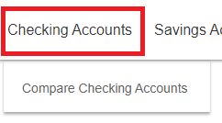 | 1) <input placeholder="How can we help you?" aria-describeby="searchDescrip" type="text" id="dcom-desktop_search-query"> 2) <a class="dcom-c-navigation-bar__link cbensightenevent" title="Personal Navigation" id="Personal" href="#" data-cbdata-type="link" data-cbdata-reason="dcom-c-navigation-bar--personal-navigation"><span>Personal</span></a> 3) <nav aria-label="Primary Navigation" class="dcom-c-nav-header__nav ANDI508-element ANDI508-highlight ANDI508-element-active" data-andi508-index="2"> ... </nav> 4) <button id="dcom-nav-mobile-menu" aria-label="Accessible icon button label" class="dcom-c-btn dcom-c-iconBtn cbensightenevent" data-cbdata-type="button" data-cbdata-reason="dcom-c-nav-header"> ... </button> 5) <div id="dcom-nav-mobile" class="dcom-c-navigation-mobilewrapper">...</div>
4.1.3: Status Messages | AA | In content implemented using markup languages, status messages can be programmatically determined through role or properties such that they can be presented to the user by assistive technologies without receiving focus. <div role="status">Hello</div> | N/A

